Data from DASL and Histograms
name | mfr | type | calories | protein | fat | sodium | fiber | carbo | sugars | potass | vitamins | shelf | weight | cups | rating
100%_Bran | N | C | 70 | 4 | 1 | 130 | 10 | 5 | 6 | 280 | 25 | 3 | 1 | 0.33 | 68.402973
100%_Natural_Bran | Q | C | 120 | 3 | 5 | 15 | 2 | 8 | 8 | 135 | 0 | 3 | 1 | 1 | 33.983679
All-Bran | K | C | 70 | 4 | 1 | 260 | 9 | 7 | 5 | 320 | 25 | 3 | 1 | 0.33 | 59.425505
All-Bran_with_Extra_Fiber | K | C | 50 | 4 | 0 | 140 | 14 | 8 | 0 | 330 | 25 | 3 | 1 | 0.5 | 93.704912
Almond_Delight | R | C | 110 | 2 | 2 | 200 | 1 | 14 | 8 |  | 25 | 3 | 1 | 0.75 | 34.384843
Apple_Cinnamon_Cheerios | G | C | 110 | 2 | 2 | 180 | 1.5 | 10.5 | 10 | 70 | 25 | 1 | 1 | 0.75 | 29.509541
Apple_Jacks | K | C | 110 | 2 | 0 | 125 | 1 | 11 | 14 | 30 | 25 | 2 | 1 | 1 | 33.174094
Basic_4 | G | C | 130 | 3 | 2 | 210 | 2 | 18 | 8 | 100 | 25 | 3 | 1.33 | 0.75 | 37.038562
Bran_Chex | R | C | 90 | 2 | 1 | 200 | 4 | 15 | 6 | 125 | 25 | 1 | 1 | 0.67 | 49.120253
Bran_Flakes | P | C | 90 | 3 | 0 | 210 | 5 | 13 | 5 | 190 | 25 | 3 | 1 | 0.67 | 53.313813
Cap'n'Crunch | Q | C | 120 | 1 | 2 | 220 | 0 | 12 | 12 | 35 | 25 | 2 | 1 | 0.75 | 18.042851
Cheerios | G | C | 110 | 6 | 2 | 290 | 2 | 17 | 1 | 105 | 25 | 1 | 1 | 1.25 | 50.764999
Cinnamon_Toast_Crunch | G | C | 120 | 1 | 3 | 210 | 0 | 13 | 9 | 45 | 25 | 2 | 1 | 0.75 | 19.823573
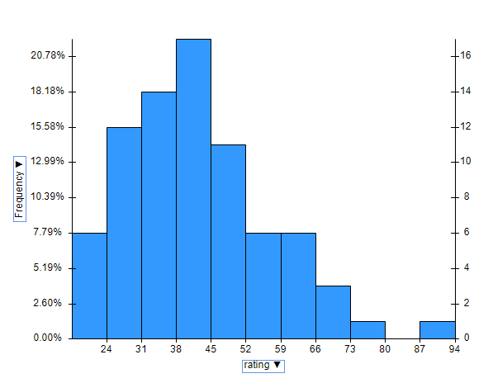
Clusters | G | C | 110 | 3 | 2 | 140 | 2 | 13 | 7 | 105 | 25 | 3 | 1 | 0.5 | 40.400208
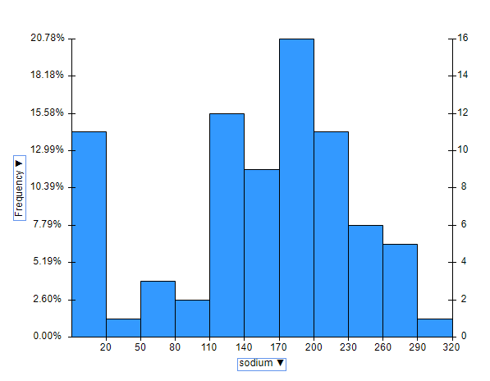
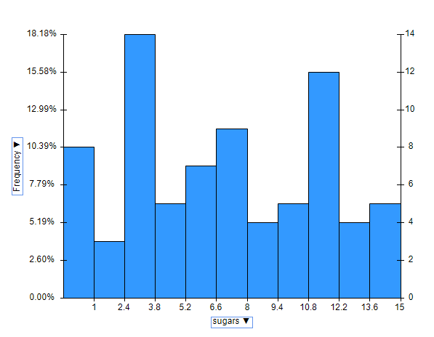
Cocoa_Puffs | G | C | 110 | 1 | 1 | 180 | 0 | 12 | 13 | 55 | 25 | 2 | 1 | 1 | 22.736446
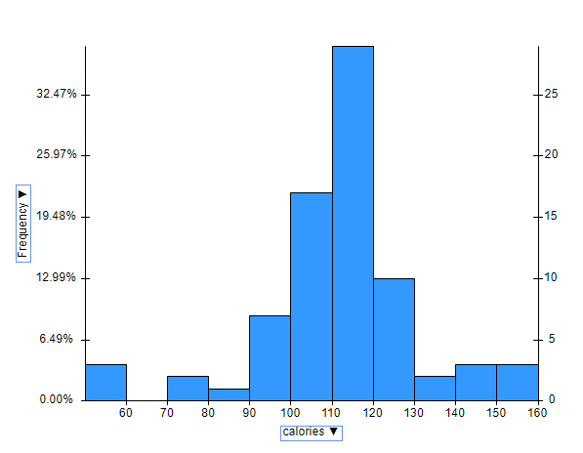
Corn_Chex | R | C | 110 | 2 | 0 | 280 | 0 | 22 | 3 | 25 | 25 | 1 | 1 | 1 | 41.445019
Corn_Flakes | K | C | 100 | 2 | 0 | 290 | 1 | 21 | 2 | 35 | 25 | 1 | 1 | 1 | 45.863324
Corn_Pops | K | C | 110 | 1 | 0 | 90 | 1 | 13 | 12 | 20 | 25 | 2 | 1 | 1 | 35.782791
Count_Chocula | G | C | 110 | 1 | 1 | 180 | 0 | 12 | 13 | 65 | 25 | 2 | 1 | 1 | 22.396513
Cracklin'_Oat_Bran | K | C | 110 | 3 | 3 | 140 | 4 | 10 | 7 | 160 | 25 | 3 | 1 | 0.5 | 40.448772
Cream_of_Wheat_(Quick) | N | H | 100 | 3 | 0 | 80 | 1 | 21 | 0 |  | 0 | 2 | 1 | 1 | 64.533816
Crispix | K | C | 110 | 2 | 0 | 220 | 1 | 21 | 3 | 30 | 25 | 3 | 1 | 1 | 46.895644
Crispy_Wheat_&_Raisins | G | C | 100 | 2 | 1 | 140 | 2 | 11 | 10 | 120 | 25 | 3 | 1 | 0.75 | 36.176196
Double_Chex | R | C | 100 | 2 | 0 | 190 | 1 | 18 | 5 | 80 | 25 | 3 | 1 | 0.75 | 44.330856
Froot_Loops | K | C | 110 | 2 | 1 | 125 | 1 | 11 | 13 | 30 | 25 | 2 | 1 | 1 | 32.207582
Frosted_Flakes | K | C | 110 | 1 | 0 | 200 | 1 | 14 | 11 | 25 | 25 | 1 | 1 | 0.75 | 31.435973
Frosted_Mini-Wheats | K | C | 100 | 3 | 0 | 0 | 3 | 14 | 7 | 100 | 25 | 2 | 1 | 0.8 | 58.345141
Fruit_&_Fibre_Dates,_Walnuts,_and_Oats | P | C | 120 | 3 | 2 | 160 | 5 | 12 | 10 | 200 | 25 | 3 | 1.25 | 0.67 | 40.917047
Fruitful_Bran | K | C | 120 | 3 | 0 | 240 | 5 | 14 | 12 | 190 | 25 | 3 | 1.33 | 0.67 | 41.015492
Fruity_Pebbles | P | C | 110 | 1 | 1 | 135 | 0 | 13 | 12 | 25 | 25 | 2 | 1 | 0.75 | 28.025765
Golden_Crisp | P | C | 100 | 2 | 0 | 45 | 0 | 11 | 15 | 40 | 25 | 1 | 1 | 0.88 | 35.252444
Golden_Grahams | G | C | 110 | 1 | 1 | 280 | 0 | 15 | 9 | 45 | 25 | 2 | 1 | 0.75 | 23.804043
Grape_Nuts_Flakes | P | C | 100 | 3 | 1 | 140 | 3 | 15 | 5 | 85 | 25 | 3 | 1 | 0.88 | 52.076897
Grape-Nuts | P | C | 110 | 3 | 0 | 170 | 3 | 17 | 3 | 90 | 25 | 3 | 1 | 0.25 | 53.371007
Great_Grains_Pecan | P | C | 120 | 3 | 3 | 75 | 3 | 13 | 4 | 100 | 25 | 3 | 1 | 0.33 | 45.811716
Honey_Graham_Ohs | Q | C | 120 | 1 | 2 | 220 | 1 | 12 | 11 | 45 | 25 | 2 | 1 | 1 | 21.871292
Honey_Nut_Cheerios | G | C | 110 | 3 | 1 | 250 | 1.5 | 11.5 | 10 | 90 | 25 | 1 | 1 | 0.75 | 31.072217
Honey-comb | P | C | 110 | 1 | 0 | 180 | 0 | 14 | 11 | 35 | 25 | 1 | 1 | 1.33 | 28.742414
Just_Right_Crunchy__Nuggets | K | C | 110 | 2 | 1 | 170 | 1 | 17 | 6 | 60 | 100 | 3 | 1 | 1 | 36.523683
Just_Right_Fruit_&_Nut | K | C | 140 | 3 | 1 | 170 | 2 | 20 | 9 | 95 | 100 | 3 | 1.3 | 0.75 | 36.471512
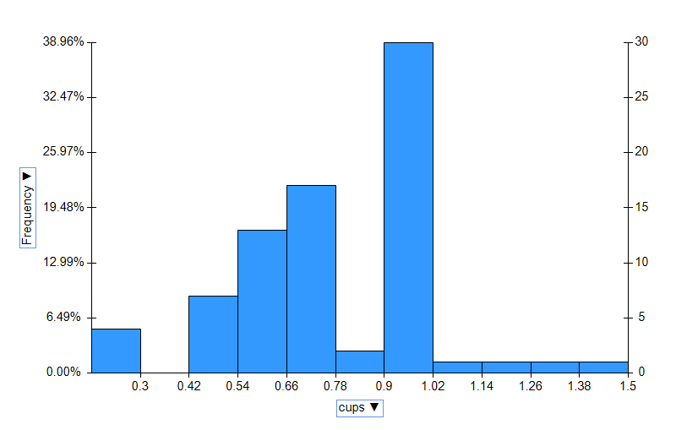
Kix | G | C | 110 | 2 | 1 | 260 | 0 | 21 | 3 | 40 | 25 | 2 | 1 | 1.5 | 39.241114
Life | Q | C | 100 | 4 | 2 | 150 | 2 | 12 | 6 | 95 | 25 | 2 | 1 | 0.67 | 45.328074
Lucky_Charms | G | C | 110 | 2 | 1 | 180 | 0 | 12 | 12 | 55 | 25 | 2 | 1 | 1 | 26.734515
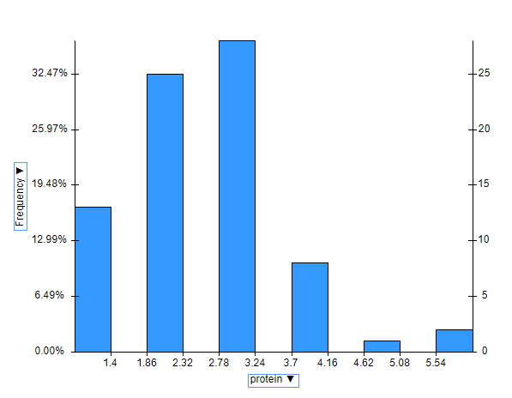
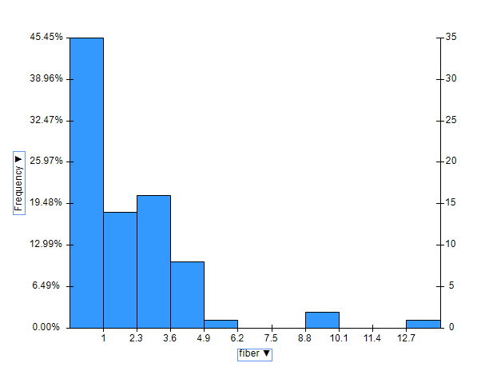
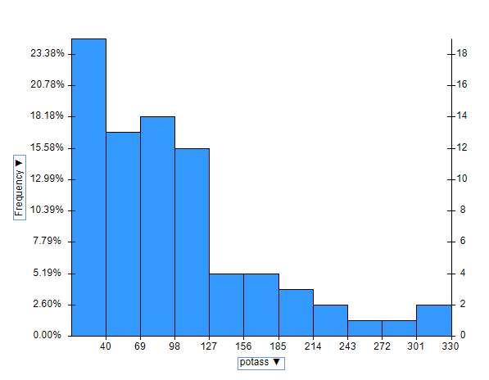
Maypo | A | H | 100 | 4 | 1 | 0 | 0 | 16 | 3 | 95 | 25 | 2 | 1 | 1 | 54.850917
Muesli_Raisins,_Dates,_&_Almonds | R | C | 150 | 4 | 3 | 95 | 3 | 16 | 11 | 170 | 25 | 3 | 1 | 1 | 37.136863
Muesli_Raisins,_Peaches,_&_Pecans | R | C | 150 | 4 | 3 | 150 | 3 | 16 | 11 | 170 | 25 | 3 | 1 | 1 | 34.139765
Mueslix_Crispy_Blend | K | C | 160 | 3 | 2 | 150 | 3 | 17 | 13 | 160 | 25 | 3 | 1.5 | 0.67 | 30.313351
Multi-Grain_Cheerios | G | C | 100 | 2 | 1 | 220 | 2 | 15 | 6 | 90 | 25 | 1 | 1 | 1 | 40.105965
Nut&Honey_Crunch | K | C | 120 | 2 | 1 | 190 | 0 | 15 | 9 | 40 | 25 | 2 | 1 | 0.67 | 29.924285
Nutri-Grain_Almond-Raisin | K | C | 140 | 3 | 2 | 220 | 3 | 21 | 7 | 130 | 25 | 3 | 1.33 | 0.67 | 40.69232
Nutri-grain_Wheat | K | C | 90 | 3 | 0 | 170 | 3 | 18 | 2 | 90 | 25 | 3 | 1 | 1 | 59.642837
Oatmeal_Raisin_Crisp | G | C | 130 | 3 | 2 | 170 | 1.5 | 13.5 | 10 | 120 | 25 | 3 | 1.25 | 0.5 | 30.450843
Post_Nat._Raisin_Bran | P | C | 120 | 3 | 1 | 200 | 6 | 11 | 14 | 260 | 25 | 3 | 1.33 | 0.67 | 37.840594
Product_19 | K | C | 100 | 3 | 0 | 320 | 1 | 20 | 3 | 45 | 100 | 3 | 1 | 1 | 41.50354
Puffed_Rice | Q | C | 50 | 1 | 0 | 0 | 0 | 13 | 0 | 15 | 0 | 3 | 0.5 | 1 | 60.756112
Puffed_Wheat | Q | C | 50 | 2 | 0 | 0 | 1 | 10 | 0 | 50 | 0 | 3 | 0.5 | 1 | 63.005645
Quaker_Oat_Squares | Q | C | 100 | 4 | 1 | 135 | 2 | 14 | 6 | 110 | 25 | 3 | 1 | 0.5 | 49.511874
Quaker_Oatmeal | Q | H | 100 | 5 | 2 | 0 | 2.7 |  |  | 110 | 0 | 1 | 1 | 0.67 | 50.828392
Raisin_Bran | K | C | 120 | 3 | 1 | 210 | 5 | 14 | 12 | 240 | 25 | 2 | 1.33 | 0.75 | 39.259197
Raisin_Nut_Bran | G | C | 100 | 3 | 2 | 140 | 2.5 | 10.5 | 8 | 140 | 25 | 3 | 1 | 0.5 | 39.7034
Raisin_Squares | K | C | 90 | 2 | 0 | 0 | 2 | 15 | 6 | 110 | 25 | 3 | 1 | 0.5 | 55.333142
Rice_Chex | R | C | 110 | 1 | 0 | 240 | 0 | 23 | 2 | 30 | 25 | 1 | 1 | 1.13 | 41.998933
Rice_Krispies | K | C | 110 | 2 | 0 | 290 | 0 | 22 | 3 | 35 | 25 | 1 | 1 | 1 | 40.560159
Shredded_Wheat | N | C | 80 | 2 | 0 | 0 | 3 | 16 | 0 | 95 | 0 | 1 | 0.83 | 1 | 68.235885
Shredded_Wheat_'n'Bran | N | C | 90 | 3 | 0 | 0 | 4 | 19 | 0 | 140 | 0 | 1 | 1 | 0.67 | 74.472949
Shredded_Wheat_spoon_size | N | C | 90 | 3 | 0 | 0 | 3 | 20 | 0 | 120 | 0 | 1 | 1 | 0.67 | 72.801787
Smacks | K | C | 110 | 2 | 1 | 70 | 1 | 9 | 15 | 40 | 25 | 2 | 1 | 0.75 | 31.230054
Special_K | K | C | 110 | 6 | 0 | 230 | 1 | 16 | 3 | 55 | 25 | 1 | 1 | 1 | 53.131324
Strawberry_Fruit_Wheats | N | C | 90 | 2 | 0 | 15 | 3 | 15 | 5 | 90 | 25 | 2 | 1 | 1 | 59.363993
Total_Corn_Flakes | G | C | 110 | 2 | 1 | 200 | 0 | 21 | 3 | 35 | 100 | 3 | 1 | 1 | 38.839746
Total_Raisin_Bran | G | C | 140 | 3 | 1 | 190 | 4 | 15 | 14 | 230 | 100 | 3 | 1.5 | 1 | 28.592785
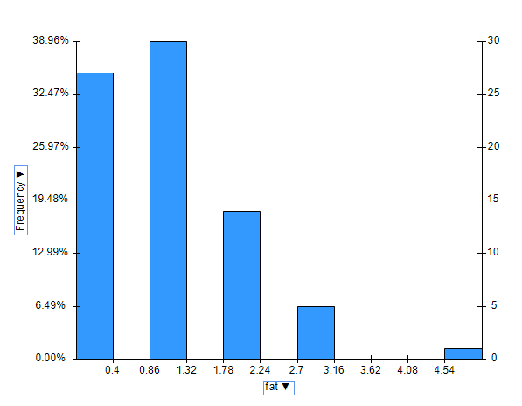
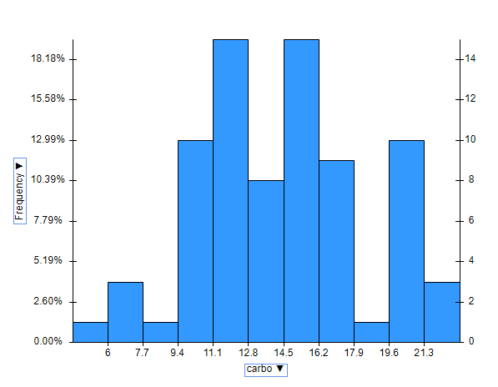
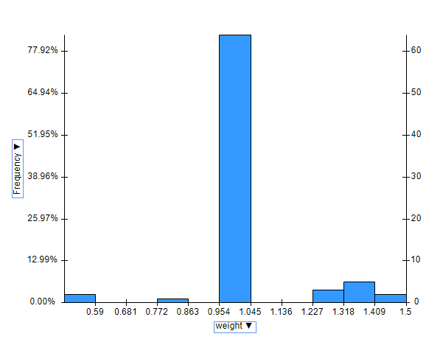
Total_Whole_Grain | G | C | 100 | 3 | 1 | 200 | 3 | 16 | 3 | 110 | 100 | 3 | 1 | 1 | 46.658844
Triples | G | C | 110 | 2 | 1 | 250 | 0 | 21 | 3 | 60 | 25 | 3 | 1 | 0.75 | 39.106174
Trix | G | C | 110 | 1 | 1 | 140 | 0 | 13 | 12 | 25 | 25 | 2 | 1 | 1 | 27.753301
Wheat_Chex | R | C | 100 | 3 | 1 | 230 | 3 | 17 | 3 | 115 | 25 | 1 | 1 | 0.67 | 49.787445
Wheaties | G | C | 100 | 3 | 1 | 200 | 3 | 17 | 3 | 110 | 25 | 1 | 1 | 1 | 51.592193
Wheaties_Honey_Gold | G | C | 110 | 2 | 1 | 200 | 1 | 16 | 8 | 60 | 25 | 1 | 1 | 0.75 | 36.187559

Box-Plots
type | calories | type | protein | shelf | rating
C | 70 | C | 4 | 3 | 68.402973
C | 120 | C | 3 | 3 | 33.983679
C | 70 | C | 4 | 3 | 59.425505
C | 50 | C | 4 | 3 | 93.704912
C | 110 | C | 2 | 3 | 34.384843
C | 110 | C | 2 | 1 | 29.509541
C | 110 | C | 2 | 2 | 33.174094
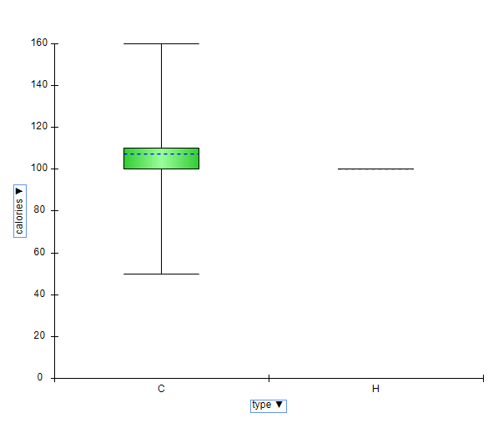
C | 130 | C | 3 | 3 | 37.038562
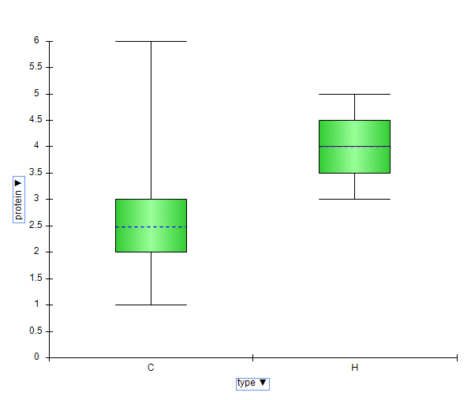
C | 90 | C | 2 | 1 | 49.120253
C | 90 | C | 3 | 3 | 53.313813
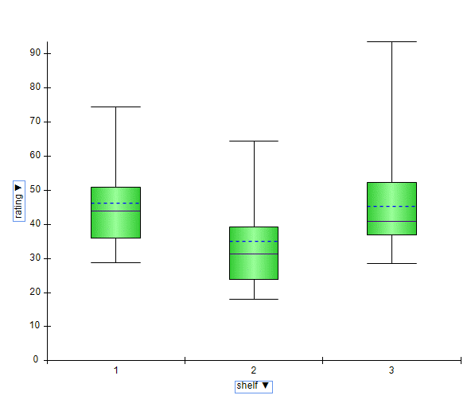
C | 120 | C | 1 | 2 | 18.042851
C | 110 | C | 6 | 1 | 50.764999
C | 120 | C | 1 | 2 | 19.823573
C | 110 | C | 3 | 3 | 40.400208
C | 110 | C | 1 | 2 | 22.736446
C | 110 | C | 2 | 1 | 41.445019
C | 100 | C | 2 | 1 | 45.863324
C | 110 | C | 1 | 2 | 35.782791
C | 110 | C | 1 | 2 | 22.396513
C | 110 | C | 3 | 3 | 40.448772
H | 100 | H | 3 | 2 | 64.533816
C | 110 | C | 2 | 3 | 46.895644
C | 100 | C | 2 | 3 | 36.176196
C | 100 | C | 2 | 3 | 44.330856
C | 110 | C | 2 | 2 | 32.207582
C | 110 | C | 1 | 1 | 31.435973
C | 100 | C | 3 | 2 | 58.345141
C | 120 | C | 3 | 3 | 40.917047
C | 120 | C | 3 | 3 | 41.015492
C | 110 | C | 1 | 2 | 28.025765
C | 100 | C | 2 | 1 | 35.252444
C | 110 | C | 1 | 2 | 23.804043
C | 100 | C | 3 | 3 | 52.076897
C | 110 | C | 3 | 3 | 53.371007
C | 120 | C | 3 | 3 | 45.811716
C | 120 | C | 1 | 2 | 21.871292
C | 110 | C | 3 | 1 | 31.072217
C | 110 | C | 1 | 1 | 28.742414
C | 110 | C | 2 | 3 | 36.523683
C | 140 | C | 3 | 3 | 36.471512
C | 110 | C | 2 | 2 | 39.241114
C | 100 | C | 4 | 2 | 45.328074
C | 110 | C | 2 | 2 | 26.734515
H | 100 | H | 4 | 2 | 54.850917
C | 150 | C | 4 | 3 | 37.136863
C | 150 | C | 4 | 3 | 34.139765
C | 160 | C | 3 | 3 | 30.313351
C | 100 | C | 2 | 1 | 40.105965
C | 120 | C | 2 | 2 | 29.924285
C | 140 | C | 3 | 3 | 40.69232
C | 90 | C | 3 | 3 | 59.642837
C | 130 | C | 3 | 3 | 30.450843
C | 120 | C | 3 | 3 | 37.840594
C | 100 | C | 3 | 3 | 41.50354
C | 50 | C | 1 | 3 | 60.756112
C | 50 | C | 2 | 3 | 63.005645
C | 100 | C | 4 | 3 | 49.511874
H | 100 | H | 5 | 1 | 50.828392
C | 120 | C | 3 | 2 | 39.259197
C | 100 | C | 3 | 3 | 39.7034
C | 90 | C | 2 | 3 | 55.333142
C | 110 | C | 1 | 1 | 41.998933
C | 110 | C | 2 | 1 | 40.560159
C | 80 | C | 2 | 1 | 68.235885
C | 90 | C | 3 | 1 | 74.472949
C | 90 | C | 3 | 1 | 72.801787
C | 110 | C | 2 | 2 | 31.230054
C | 110 | C | 6 | 1 | 53.131324
C | 90 | C | 2 | 2 | 59.363993
C | 110 | C | 2 | 3 | 38.839746
C | 140 | C | 3 | 3 | 28.592785
C | 100 | C | 3 | 3 | 46.658844
C | 110 | C | 2 | 3 | 39.106174
C | 110 | C | 1 | 2 | 27.753301
C | 100 | C | 3 | 1 | 49.787445
C | 100 | C | 3 | 1 | 51.592193
C | 110 | C | 2 | 1 | 36.187559

 |  | 3 iqr | max
 |  | 110 | 200
 |  | 3 | 4.5
 |  | 2 | 5
 |  | 210 | 315
 |  | 3 | 6
 |  | 17 | 24.5
 |  | 11 | 33
 |  | 120 | 236.25
 |  | 25 | 25
 |  | 1 | 1
 |  | 50.828392 | 77.30939

Correlation
 | calories | protein | fat | sodium | fiber | carbo | sugars | potass | vitamins | shelf | weight | cups | rating
calories | 1
protein | 0.033991663608 | 1
fat | 0.5073732397 | 0.2023533963 | 1
sodium | 0.2962474981 | 0.011558891283 | 0.00082190358813 | 1
fiber | -0.29521183223 | 0.51400610418 | 0.014035865351 | -0.070734923025 | 1
carbo | 0.2706060473 | -0.036743263382 | -0.28493368548 | 0.32840918567 | -0.37908370091 | 1
sugars | 0.56912053523 | -0.286583967 | 0.28715248657 | 0.037058961159 | -0.15094850151 | -0.45206918888 | 1
potass | -0.071361247124 | 0.57874283735 | 0.19963671706 | -0.039438087553 | 0.91150392096 | -0.36500293432 | 0.0014139818575 | 1 |  |  |  |  |  | Scatterplot Matrix for the quantitative values
vitamins | 0.25984555557 | 0.054799515533 | -0.030513909885 | 0.33157596403 | -0.038717337395 | 0.2535789667 | 0.072954382014 | -0.0026358303436 | 1
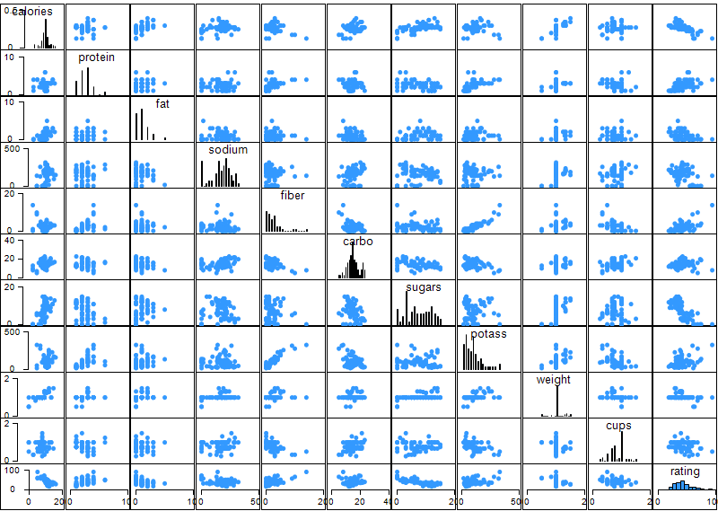
shelf | 0.089242782868 | 0.19563468285 | 0.27797972457 | -0.12189681616 | 0.31378735752 | -0.18899627079 | 0.061449087741 | 0.39458548497 | 0.28440479478 | 1
weight | 0.69645214597 | 0.23067141405 | 0.22171416466 | 0.31253357011 | 0.24629218359 | 0.14480527962 | 0.46054713457 | 0.42056153384 | 0.32043479715 | 0.19284303534 | 1
cups | 0.089196146052 | -0.2420986119 | -0.15757870411 | 0.11958410832 | -0.5136971627 | 0.35828371153 | -0.032436100388 | -0.50168831834 | 0.13362964694 | -0.3510335367 | -0.2017146478 | 1
rating | -0.69378466295 | 0.46716218031 | -0.40505019882 | -0.38301235807 | 0.60341089746 | 0.05594128529 | -0.75595508889 | 0.41578244343 | -0.21448094509 | 0.051039749781 | -0.30046104022 | -0.22250439541 | 1

 | calories | protein | fat | sodium | fiber | carbo | sugars | potass | vitamins | shelf | weight | cups | rating
 | 70 | 4 | 1 | 130 | 10 | 5 | 6 | 280 | 25 | 3 | 1 | 0.33 | 68.402973
 | 120 | 3 | 5 | 15 | 2 | 8 | 8 | 135 | 0 | 3 | 1 | 1 | 33.983679
 | 70 | 4 | 1 | 260 | 9 | 7 | 5 | 320 | 25 | 3 | 1 | 0.33 | 59.425505
 | 50 | 4 | 0 | 140 | 14 | 8 | 0 | 330 | 25 | 3 | 1 | 0.5 | 93.704912
 | 110 | 2 | 2 | 180 | 1.5 | 10.5 | 10 | 70 | 25 | 1 | 1 | 0.75 | 29.509541
 | 110 | 2 | 0 | 125 | 1 | 11 | 14 | 30 | 25 | 2 | 1 | 1 | 33.174094
 | 130 | 3 | 2 | 210 | 2 | 18 | 8 | 100 | 25 | 3 | 1.33 | 0.75 | 37.038562
 | 90 | 2 | 1 | 200 | 4 | 15 | 6 | 125 | 25 | 1 | 1 | 0.67 | 49.120253
 | 90 | 3 | 0 | 210 | 5 | 13 | 5 | 190 | 25 | 3 | 1 | 0.67 | 53.313813
 | 120 | 1 | 2 | 220 | 0 | 12 | 12 | 35 | 25 | 2 | 1 | 0.75 | 18.042851
 | 110 | 6 | 2 | 290 | 2 | 17 | 1 | 105 | 25 | 1 | 1 | 1.25 | 50.764999
 | 120 | 1 | 3 | 210 | 0 | 13 | 9 | 45 | 25 | 2 | 1 | 0.75 | 19.823573
 | 110 | 3 | 2 | 140 | 2 | 13 | 7 | 105 | 25 | 3 | 1 | 0.5 | 40.400208
 | 110 | 1 | 1 | 180 | 0 | 12 | 13 | 55 | 25 | 2 | 1 | 1 | 22.736446
 | 110 | 2 | 0 | 280 | 0 | 22 | 3 | 25 | 25 | 1 | 1 | 1 | 41.445019
 | 100 | 2 | 0 | 290 | 1 | 21 | 2 | 35 | 25 | 1 | 1 | 1 | 45.863324
 | 110 | 1 | 0 | 90 | 1 | 13 | 12 | 20 | 25 | 2 | 1 | 1 | 35.782791
 | 110 | 1 | 1 | 180 | 0 | 12 | 13 | 65 | 25 | 2 | 1 | 1 | 22.396513
 | 110 | 3 | 3 | 140 | 4 | 10 | 7 | 160 | 25 | 3 | 1 | 0.5 | 40.448772
 | 110 | 2 | 0 | 220 | 1 | 21 | 3 | 30 | 25 | 3 | 1 | 1 | 46.895644
 | 100 | 2 | 1 | 140 | 2 | 11 | 10 | 120 | 25 | 3 | 1 | 0.75 | 36.176196
 | 100 | 2 | 0 | 190 | 1 | 18 | 5 | 80 | 25 | 3 | 1 | 0.75 | 44.330856
 | 110 | 2 | 1 | 125 | 1 | 11 | 13 | 30 | 25 | 2 | 1 | 1 | 32.207582
 | 110 | 1 | 0 | 200 | 1 | 14 | 11 | 25 | 25 | 1 | 1 | 0.75 | 31.435973
 | 100 | 3 | 0 | 0 | 3 | 14 | 7 | 100 | 25 | 2 | 1 | 0.8 | 58.345141
 | 120 | 3 | 2 | 160 | 5 | 12 | 10 | 200 | 25 | 3 | 1.25 | 0.67 | 40.917047
 | 120 | 3 | 0 | 240 | 5 | 14 | 12 | 190 | 25 | 3 | 1.33 | 0.67 | 41.015492
 | 110 | 1 | 1 | 135 | 0 | 13 | 12 | 25 | 25 | 2 | 1 | 0.75 | 28.025765
 | 100 | 2 | 0 | 45 | 0 | 11 | 15 | 40 | 25 | 1 | 1 | 0.88 | 35.252444
 | 110 | 1 | 1 | 280 | 0 | 15 | 9 | 45 | 25 | 2 | 1 | 0.75 | 23.804043
 | 100 | 3 | 1 | 140 | 3 | 15 | 5 | 85 | 25 | 3 | 1 | 0.88 | 52.076897
 | 110 | 3 | 0 | 170 | 3 | 17 | 3 | 90 | 25 | 3 | 1 | 0.25 | 53.371007
 | 120 | 3 | 3 | 75 | 3 | 13 | 4 | 100 | 25 | 3 | 1 | 0.33 | 45.811716
 | 120 | 1 | 2 | 220 | 1 | 12 | 11 | 45 | 25 | 2 | 1 | 1 | 21.871292
 | 110 | 3 | 1 | 250 | 1.5 | 11.5 | 10 | 90 | 25 | 1 | 1 | 0.75 | 31.072217
 | 110 | 1 | 0 | 180 | 0 | 14 | 11 | 35 | 25 | 1 | 1 | 1.33 | 28.742414
 | 110 | 2 | 1 | 170 | 1 | 17 | 6 | 60 | 100 | 3 | 1 | 1 | 36.523683
 | 140 | 3 | 1 | 170 | 2 | 20 | 9 | 95 | 100 | 3 | 1.3 | 0.75 | 36.471512
 | 110 | 2 | 1 | 260 | 0 | 21 | 3 | 40 | 25 | 2 | 1 | 1.5 | 39.241114
 | 100 | 4 | 2 | 150 | 2 | 12 | 6 | 95 | 25 | 2 | 1 | 0.67 | 45.328074
 | 110 | 2 | 1 | 180 | 0 | 12 | 12 | 55 | 25 | 2 | 1 | 1 | 26.734515
 | 100 | 4 | 1 | 0 | 0 | 16 | 3 | 95 | 25 | 2 | 1 | 1 | 54.850917
 | 150 | 4 | 3 | 95 | 3 | 16 | 11 | 170 | 25 | 3 | 1 | 1 | 37.136863
 | 150 | 4 | 3 | 150 | 3 | 16 | 11 | 170 | 25 | 3 | 1 | 1 | 34.139765
 | 160 | 3 | 2 | 150 | 3 | 17 | 13 | 160 | 25 | 3 | 1.5 | 0.67 | 30.313351
 | 100 | 2 | 1 | 220 | 2 | 15 | 6 | 90 | 25 | 1 | 1 | 1 | 40.105965
 | 120 | 2 | 1 | 190 | 0 | 15 | 9 | 40 | 25 | 2 | 1 | 0.67 | 29.924285
 | 140 | 3 | 2 | 220 | 3 | 21 | 7 | 130 | 25 | 3 | 1.33 | 0.67 | 40.69232
 | 90 | 3 | 0 | 170 | 3 | 18 | 2 | 90 | 25 | 3 | 1 | 1 | 59.642837
 | 130 | 3 | 2 | 170 | 1.5 | 13.5 | 10 | 120 | 25 | 3 | 1.25 | 0.5 | 30.450843
 | 120 | 3 | 1 | 200 | 6 | 11 | 14 | 260 | 25 | 3 | 1.33 | 0.67 | 37.840594
 | 100 | 3 | 0 | 320 | 1 | 20 | 3 | 45 | 100 | 3 | 1 | 1 | 41.50354
 | 50 | 1 | 0 | 0 | 0 | 13 | 0 | 15 | 0 | 3 | 0.5 | 1 | 60.756112
 | 50 | 2 | 0 | 0 | 1 | 10 | 0 | 50 | 0 | 3 | 0.5 | 1 | 63.005645
 | 100 | 4 | 1 | 135 | 2 | 14 | 6 | 110 | 25 | 3 | 1 | 0.5 | 49.511874
 | 120 | 3 | 1 | 210 | 5 | 14 | 12 | 240 | 25 | 2 | 1.33 | 0.75 | 39.259197
 | 100 | 3 | 2 | 140 | 2.5 | 10.5 | 8 | 140 | 25 | 3 | 1 | 0.5 | 39.7034
 | 90 | 2 | 0 | 0 | 2 | 15 | 6 | 110 | 25 | 3 | 1 | 0.5 | 55.333142
 | 110 | 1 | 0 | 240 | 0 | 23 | 2 | 30 | 25 | 1 | 1 | 1.13 | 41.998933
 | 110 | 2 | 0 | 290 | 0 | 22 | 3 | 35 | 25 | 1 | 1 | 1 | 40.560159
 | 80 | 2 | 0 | 0 | 3 | 16 | 0 | 95 | 0 | 1 | 0.83 | 1 | 68.235885
 | 90 | 3 | 0 | 0 | 4 | 19 | 0 | 140 | 0 | 1 | 1 | 0.67 | 74.472949
 | 90 | 3 | 0 | 0 | 3 | 20 | 0 | 120 | 0 | 1 | 1 | 0.67 | 72.801787
 | 110 | 2 | 1 | 70 | 1 | 9 | 15 | 40 | 25 | 2 | 1 | 0.75 | 31.230054
 | 110 | 6 | 0 | 230 | 1 | 16 | 3 | 55 | 25 | 1 | 1 | 1 | 53.131324
 | 90 | 2 | 0 | 15 | 3 | 15 | 5 | 90 | 25 | 2 | 1 | 1 | 59.363993
 | 110 | 2 | 1 | 200 | 0 | 21 | 3 | 35 | 100 | 3 | 1 | 1 | 38.839746
 | 140 | 3 | 1 | 190 | 4 | 15 | 14 | 230 | 100 | 3 | 1.5 | 1 | 28.592785
 | 100 | 3 | 1 | 200 | 3 | 16 | 3 | 110 | 100 | 3 | 1 | 1 | 46.658844
 | 110 | 2 | 1 | 250 | 0 | 21 | 3 | 60 | 25 | 3 | 1 | 0.75 | 39.106174
 | 110 | 1 | 1 | 140 | 0 | 13 | 12 | 25 | 25 | 2 | 1 | 1 | 27.753301
 | 100 | 3 | 1 | 230 | 3 | 17 | 3 | 115 | 25 | 1 | 1 | 0.67 | 49.787445
 | 100 | 3 | 1 | 200 | 3 | 17 | 3 | 110 | 25 | 1 | 1 | 1 | 51.592193
 | 110 | 2 | 1 | 200 | 1 | 16 | 8 | 60 | 25 | 1 | 1 | 0.75 | 36.187559

